Sheet1
Proposed North Branch Corridor Bonus Worksheet (6/28/17)
City of Chicago - Department of Planning and Development

Developer Name and Address:
Project Address: |  |  |  |  | Zoning District:
Net Site Area (sq. ft.): |  |  | Bonus Floor Area Desired (sq.ft.): |  |  | 0.00

 |  | F.A.R. |  | Allowed Floor Area (sq.ft.)
Base Floor Area Ratio |  |  |  | 0.00
Bonus Floor Area Ratio |  |  |  | 0.00
Maximum Total Floor Area Ratio |  | 0.00 |  | 0.00

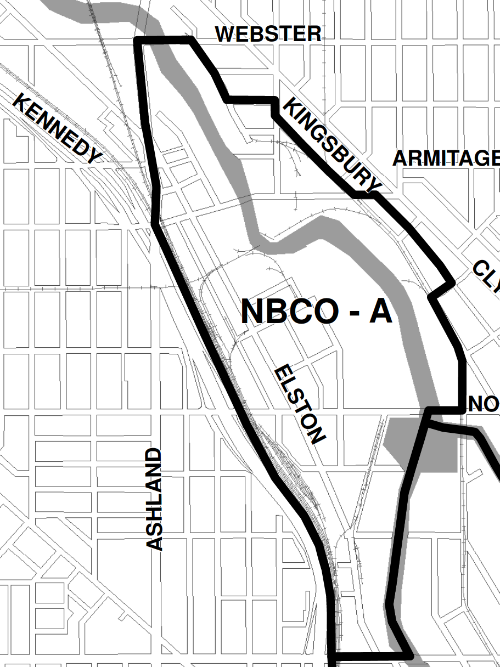
Median Cost of Land per Buildable Sq. Ft.
Minimum and Maximum Floor Area Bonuses
The minimum floor area bonus for any district is 0.5 F.A.R.

$ 22.11
Formula: Bonus Floor Area Desired / Lot Area <= Max Bonus
Districts | Maximum F.A.R. Bonus
B-3, C-3 | 3.5

Please note: The median cost of land per buildable square foot is subject to change, pursuant to Section 17-7-0407-E of the Chicago Zoning Ordinance. The bonus payment due for any building or phase of development will change accordingly and, therefore, may differ from the amount calculated at the time of PD approval and will supercede said previous calculation.

Calculation of Financial Contribution
Bonus payment shall be paid in full prior to the issuance of the first building permit for any building; or on a pro rata basis for phased construction projects prior to issuance of the first building permit for each subsequent new building or phase of construction (17-07-0407-E).
Bonus Floor Area Desired (sq.ft.) | Discount Factor |  | Median Cost of Land per Square Foot |  | Financial Contribution*
A | B |  | C |  | A x B x C =
 | 0.5 |  |  |  | $0.00

Industrial Corridor System Fund Portion: (0.3 x Financial Contribution) |  |  | $0.00
Industrial Corridor System Improvement:
North Branch Corridor Bonus Fund Portion: (0.7 x Financial Contribution) |  |  | $0.00
Local Impact Bonus Use of Funds:
Local Impact Bonus Alternate Use of Funds:
Local Impact Bonus In-Kind Provision:

